Cover
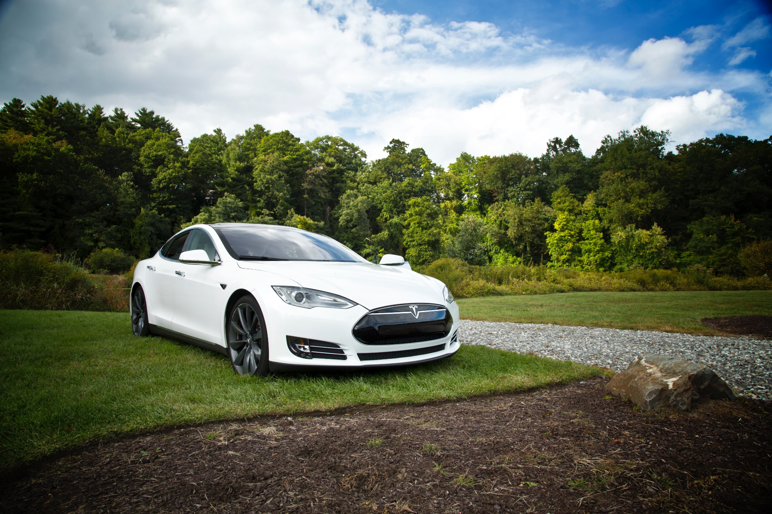

Tesla
Company analysis

Drivers
Drivers
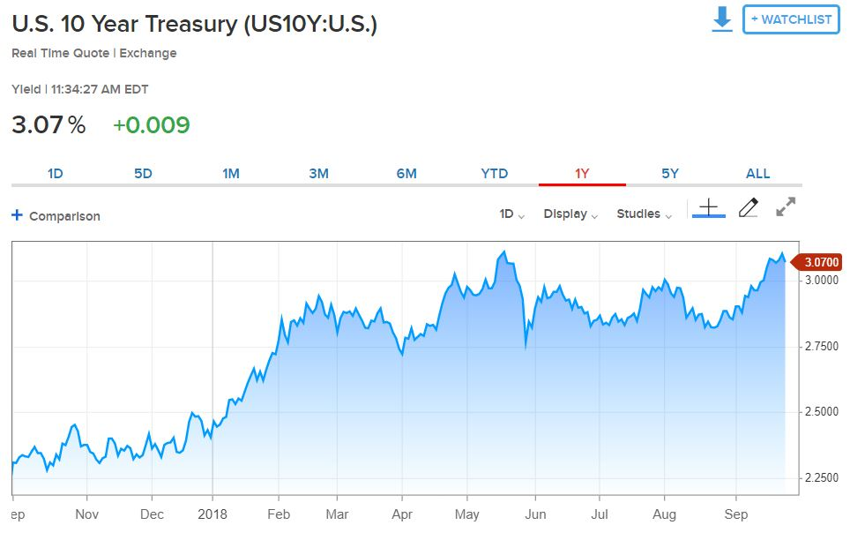
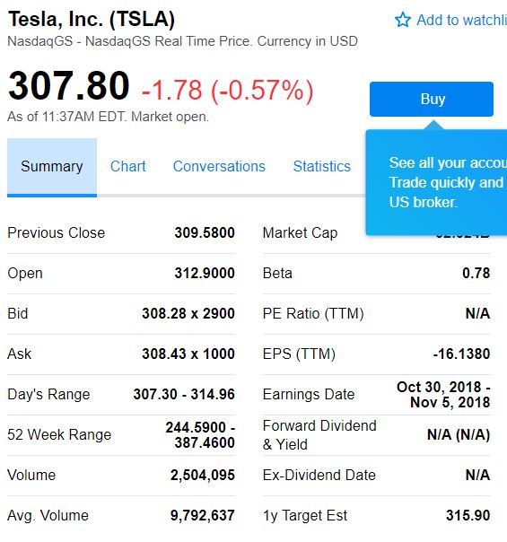
Selected case | 2
Company | Tesla
Currency | USD
Domestic country | United States
10-year treasury yield (Sep 27 2018) | 3.07%
Market risk premium US | 5%
Company beta (Sep 27 2018) | 0.78
Tesla share price (Sep 27 2018) | 307.8
Bond Yield (Sep 19 2018) | 7.50%
Corporate tax rate | 30%
Expected inflation | 2%

Deliveries development
Tesla vehicle deliveries 2014-2027 (actuals and forecasts)
 | Tesla Model 3 | Tesla Model S and X | Tesla Model Y | Tesla Roadster 2 | Tesla Pickup | Tesla Semi
2014 Act | - | 33600 | - | - | - | -
2015 Act | - | 50580 | - | - | - | -
2016 Act | - | 76230 | - | - | - | -
2017 Act | 1764 | 101312 | - | - | - | -
2018 H1 Act | 26620 | 44100 | - | - | - | -
2018 H2 Fcst | 104000 | 55900 | - | - | - | -
2018 Fcst | 130620 | 100000 | - | - | - | -
2019 Fcst | 260000 | 102000 | 1764 | - | 250 | 250
2020 Fcst | 416000 | 104040 | 130620 | 500 | 18512 | 18512
2021 Fcst | 457600 | 106121 | 260000 | 1000 | 36848 | 36848
2022 Fcst | 503360 | 108243 | 416000 | 1500 | 58957 | 58957
2023 Fcst | 528528 | 110408 | 457600 | 1650 | 64853 | 64853
2024 Fcst | 554954 | 112616 | 503360 | 1815 | 71338 | 71338
2025 Fcst | 566053 | 114869 | 528528 | 1906 | 74905 | 74905
2026 Fcst | 577375 | 117166 | 554954 | 2001 | 78650 | 78650
2027 Fcst | 588922 | 119509 | 566053 | 2041 | 80223 | 80223
2028 Fcst | 600700 | 121899 | 577375 | 2082 | 81827 | 81827

Revenue & GP autom
Revenue and Gross Profit automotive

Vehicle | 2014 Act | 2015 Act | 2016 Act | 2017 Act | 2018 Fcst | 2019 Fcst | 2020 Fcst | 2021 Fcst | 2022 Fcst | 2023 Fcst | 2024 Fcst | 2025 Fcst | 2026 Fcst | 2027 Fcst | 2028 Fcst
Revenue automotive | 3,007 | 3,741 | 6,351 | 9,641 | 14,236 | 19,999 | 38,090 | 51,426 | 67,263 | 72,175 | 77,509 | 80,390 | 83,395 | 85,063 | 86,764
Gross Profit automotive | 861 | 918 | 1,601 | 2,209 | 2,711 | 3,095 | 6,066 | 8,452 | 11,289 | 12,142 | 13,070 | 13,580 | 14,113 | 14,395 | 14,683
GP% | 29% | 25% | 25% | 23% | 19% | 15% | 16% | 16% | 17% | 17% | 17% | 17% | 17% | 17% | 17%

Revenue and Gross Profit automotive
 | Revenue automotive | Gross Profit automotive | GP%
2014 Act | 3007 | 861 | 29%
2015 Act | 3741 | 918 | 25%
2016 Act | 6351 | 1601 | 25%
2017 Act | 9641 | 2209 | 23%
2018 Fcst | 14236 | 2711 | 19%
2019 Fcst | 19999 | 3095 | 15%
2020 Fcst | 38090 | 6066 | 16%
2021 Fcst | 51426 | 8452 | 16%
2022 Fcst | 67263 | 11289 | 17%
2023 Fcst | 72175 | 12142 | 17%
2024 Fcst | 77509 | 13070 | 17%
2025 Fcst | 80390 | 13580 | 17%
2026 Fcst | 83395 | 14113 | 17%
2027 Fcst | 85063 | 14395 | 17%
2028 Fcst | 86764 | 14683 | 17%

WC development
Working Capital development (2018-2028)
 | Trade receivables | Inventory | Trade payables
31Dec2018 Fcst
31Dec2019 Fcst
31Dec2020 Fcst
31Dec2021 Fcst
31Dec2022 Fcst
31Dec2023 Fcst
31Dec2024 Fcst
31Dec2025 Fcst
31Dec2026 Fcst
31Dec2027 Fcst
31Dec2028 Fcst

Revenue by type of car
Revenue by type of car

 | Tesla Revenue Automotive (in mln $)
Vehicle | 2014 Act | 2015 Act | 2016 Act | 2017 Act | 2018 H1 Act | 2018 H2 Fcst | 2018 Fcst | 2019 Fcst | 2020 Fcst | 2021 Fcst | 2022 Fcst | 2023 Fcst | 2024 Fcst | 2025 Fcst | 2026 Fcst | 2027 Fcst | 2028 Fcst | Vehicle type
Tesla Model 3 | - | - | - | n.a. | n.a. | 4,368 | 5,486 | 10,920 | 17,472 | 19,219 | 21,141 | 22,198 | 23,308 | 23,774 | 24,250 | 24,735 | 25,229 | Car
Tesla Model S and X | 3,007 | 3,741 | 6,351 | n.a. | n.a. | 4,891 | 8,750 | 8,925 | 9,104 | 9,286 | 9,471 | 9,661 | 9,854 | 10,051 | 10,252 | 10,457 | 10,666 | Car
Tesla Model Y | - | - | - | - | - | - | - | 88 | 6,531 | 13,000 | 20,800 | 22,880 | 25,168 | 26,426 | 27,748 | 28,303 | 28,869 | Car
Tesla Roadster 2 | - | - | - | - | - | - | - | - | 115 | 230 | 345 | 380 | 417 | 438 | 460 | 469 | 479 | Car
Tesla Pickup | - | - | - | - | - | - | - | 16 | 1,166 | 2,321 | 3,714 | 4,086 | 4,494 | 4,719 | 4,955 | 5,054 | 5,155 | Pickup
Tesla Semi | - | - | - | - | - | - | - | 50 | 3,702 | 7,370 | 11,791 | 12,971 | 14,268 | 14,981 | 15,730 | 16,045 | 16,365 | Truck
Total | 3,007 | 3,741 | 6,351 | 9,641 | 6,093 | 9,259 | 14,236 | 19,999 | 38,090 | 51,426 | 67,263 | 72,175 | 77,509 | 80,390 | 83,395 | 85,063 | 86,764
Revenue from different types of vehicles sold: 2018 - 2028

Types of vehicles
Types of vehicles

 | Tesla Revenue Automotive (in mln $)
Vehicle | 2014 Act | 2015 Act | 2016 Act | 2017 Act | 2018 H1 Act | 2018 H2 Fcst | 2018 Fcst | 2019 Fcst | 2020 Fcst | 2021 Fcst | 2022 Fcst | 2023 Fcst | 2024 Fcst | 2025 Fcst | 2026 Fcst | 2027 Fcst | 2028 Fcst | Vehicle type
Tesla Model 3 | - | - | - | n.a. | n.a. | 4,368 | 5,486 | 10,920 | 17,472 | 19,219 | 21,141 | 22,198 | 23,308 | 23,774 | 24,250 | 24,735 | 25,229 | Car
Tesla Model S and X | 3,007 | 3,741 | 6,351 | n.a. | n.a. | 4,891 | 8,750 | 8,925 | 9,104 | 9,286 | 9,471 | 9,661 | 9,854 | 10,051 | 10,252 | 10,457 | 10,666 | Car
Tesla Model Y | - | - | - | - | - | - | - | 88 | 6,531 | 13,000 | 20,800 | 22,880 | 25,168 | 26,426 | 27,748 | 28,303 | 28,869 | Car
Tesla Roadster 2 | - | - | - | - | - | - | - | - | 115 | 230 | 345 | 380 | 417 | 438 | 460 | 469 | 479 | Car
Tesla Pickup | - | - | - | - | - | - | - | 16 | 1,166 | 2,321 | 3,714 | 4,086 | 4,494 | 4,719 | 4,955 | 5,054 | 5,155 | Pickup
Tesla Semi | - | - | - | - | - | - | - | 50 | 3,702 | 7,370 | 11,791 | 12,971 | 14,268 | 14,981 | 15,730 | 16,045 | 16,365 | Truck
Total | 3,007 | 3,741 | 6,351 | 9,641 | 6,093 | 9,259 | 14,236 | 19,999 | 38,090 | 51,426 | 67,263 | 72,175 | 77,509 | 80,390 | 83,395 | 85,063 | 86,764

 | 2014 Act | 2015 Act | 2016 Act | 2017 Act | 2018 H1 Act | 2018 H2 Fcst | 2018 Fcst | 2019 Fcst | 2020 Fcst | 2021 Fcst | 2022 Fcst | 2023 Fcst | 2024 Fcst | 2025 Fcst | 2026 Fcst | 2027 Fcst | 2028 Fcst
Car |  |  |  |  |  | 9,259 | 14,236 | 19,933 | 33,222 | 41,735 | 51,757 | 55,118 | 58,747 | 60,690 | 62,710 | 63,964 | 65,243
Pickup |  |  |  |  |  | - | - | 16 | 1,166 | 2,321 | 3,714 | 4,086 | 4,494 | 4,719 | 4,955 | 5,054 | 5,155
Truck |  |  |  |  |  | - | - | 50 | 3,702 | 7,370 | 11,791 | 12,971 | 14,268 | 14,981 | 15,730 | 16,045 | 16,365
Total |  |  |  |  |  | 9,259 | 14,236 | 19,999 | 38,090 | 51,426 | 67,263 | 72,175 | 77,509 | 80,390 | 83,395 | 85,063 | 86,764
Revenue from different types of vehicles sold: 2018 - 2028

Profitability
Types of vehicles

($ in million) | 2014 Act | 2015 Act | 2016 Act | 2017 Act | 2018 Fcst | 2019 Fcst | 2020 Fcst | 2021 Fcst | 2022 Fcst | 2023 Fcst | 2024 Fcst | 2025 Fcst | 2026 Fcst | 2027 Fcst | 2028 Fcst
Revenue | 3,198 | 4,046 | 7,000 | 11,759 | 17,988 | 23,057 | 41,515 | 55,124 | 71,184 | 76,330 | 81,914 | 85,059 | 88,344 | 90,309 | 92,325
GP% | 27.6% | 22.8% | 22.8% | 18.9% | 17.2% | 15.4% | 15.8% | 16.3% | 16.7% | 16.7% | 16.7% | 16.8% | 16.8% | 16.8% | 16.8%
EBIT% | -5.8% | -17.7% | -9.5% | -13.9% | -11.1% | 2.9% | 3.3% | 3.8% | 4.2% | 4.2% | 4.3% | 4.3% | 4.3% | 4.3% | 4.3%
Gross Profit | 882 | 924 | 1,599 | 2,222 | 3,097 | 3,543 | 6,568 | 8,994 | 11,864 | 12,751 | 13,716 | 14,265 | 14,839 | 15,165 | 15,499
EBIT | (187) | (717) | (667) | (1,632) | (1,997) | 663 | 1,382 | 2,108 | 2,972 | 3,216 | 3,483 | 3,640 | 3,803 | 3,883 | 3,966
Tesla profitability: 2018-2028
 | Revenue | GP% | EBIT%
2014 Act | 3198 | 27.6% | -5.8%
2015 Act | 4046 | 22.8% | -17.7%
2016 Act | 7000 | 22.8% | -9.5%
2017 Act | 11759 | 18.9% | -13.9%
2018 Fcst | 17988 | 17.2% | -11.1%
2019 Fcst | 23057 | 15.4% | 2.9%
2020 Fcst | 41515 | 15.8% | 3.3%
2021 Fcst | 55124 | 16.3% | 3.8%
2022 Fcst | 71184 | 16.7% | 4.2%
2023 Fcst | 76330 | 16.7% | 4.2%
2024 Fcst | 81914 | 16.7% | 4.3%
2025 Fcst | 85059 | 16.8% | 4.3%
2026 Fcst | 88344 | 16.8% | 4.3%
2027 Fcst | 90309 | 16.8% | 4.3%
2028 Fcst | 92325 | 16.8% | 4.3%

